Sheet1
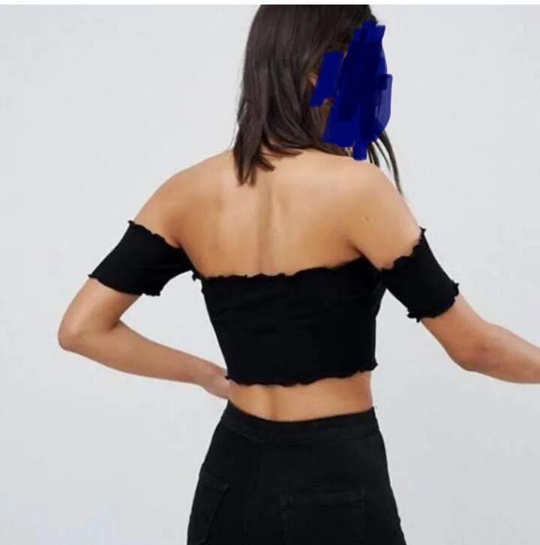
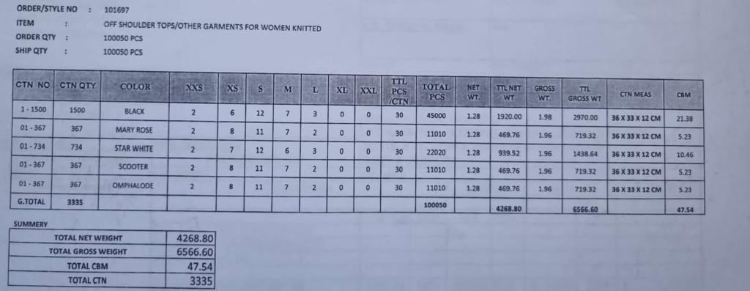
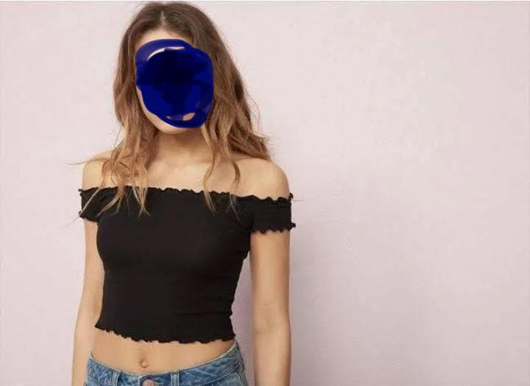
 | Over the shoulder Crop Tops |  |  | This stock will fill a 40ft HQ container

 |  |  | BREAKDOWN: PIECES PER CARTON |  |  |  |  | total pcs in
 | Carton Qty | Colour | XXS | XS | S | M | L | carton | TOTAL PCS
 | 1500 | BLACK | 2 | 6 | 12 | 7 | 3 | 30 | 45000
 | 367 | MARY ROSE | 2 | 8 | 11 | 7 | 2 | 30 | 11010
 | 734 | STAR WHITE | 2 | 7 | 12 | 6 | 3 | 30 | 22020
 | 367 | SCOOTER | 2 | 8 | 11 | 7 | 2 | 30 | 11010
 | 367 | OMPHALODE | 2 | 8 | 11 | 7 | 2 | 30 | 11010
Total CARTONS | 3335 |  |  |  |  |  |  | GRAND TOTAL | 100050

 |  |  |  |  | TOTAL PIECES BREAKDOWN
 |  | Colour | XXS | XS | S | M | L
 |  | BLACK | 3000 | 9000 | 18000 | 10500 | 4500 | 45000
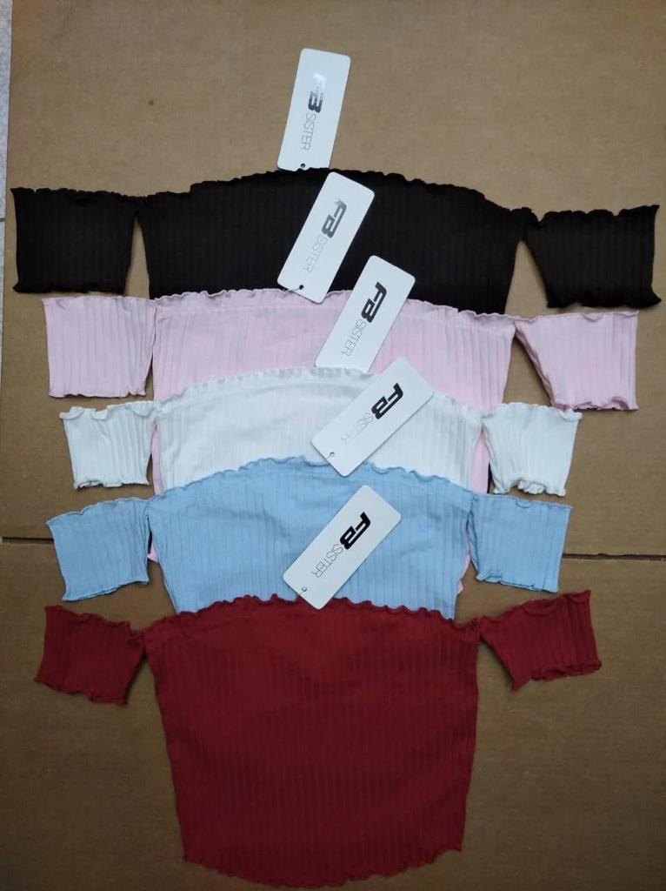
 |  | MARY ROSE | 734 | 2936 | 4037 | 2569 | 734 | 11010
 |  | STAR WHITE | 1468 | 5138 | 8808 | 4404 | 2202 | 22020
 |  | SCOOTER | 734 | 2936 | 4037 | 2569 | 734 | 11010
 |  | OMPHALODE | 734 | 2936 | 4037 | 2569 | 734 | 11010
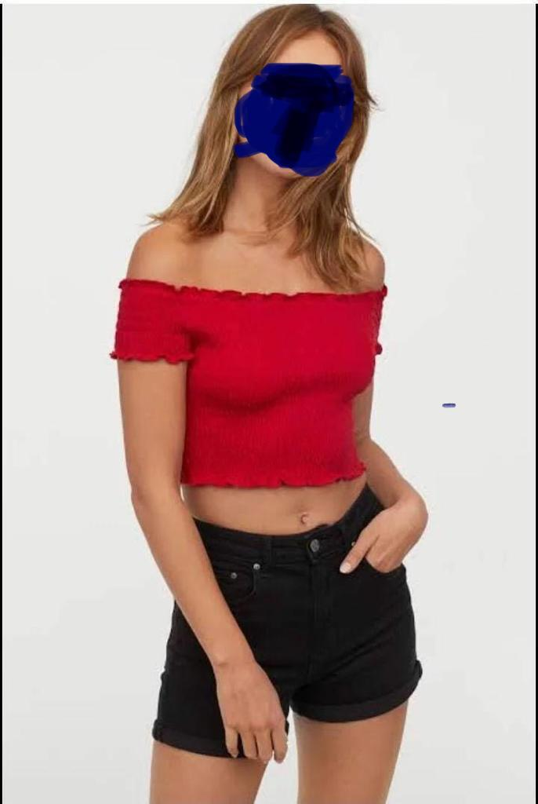
 |  |  |  |  |  | total quantity |  | 100050

